All Events
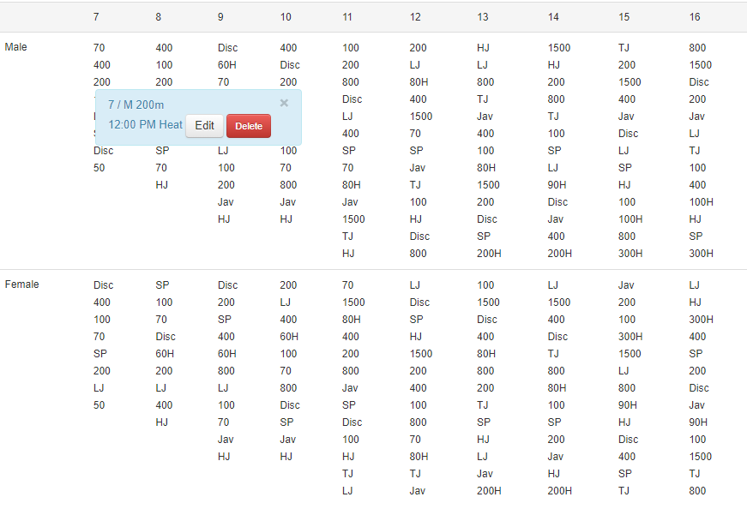
Male | U7 | U8 | U9 | U10 | U11 | U12 | U13 | U14 | U15 | U16
 | 70 | 70 | 60mH | 60mH | 80mH | 80mH | 80mH | 90mH | 100mH | 100mH
 | 50 | 100 | 70 | 70 | 70 | 70 | 200mH | 200mH | 200mH | 200mH
 | 200 | 200 | 100 | 100 | 100 | 100 | 100 | 100 | 100 | 100
 | 400 | 400 | 200 | 200 | 200 | 200 | 200 | 200 | 200 | 200
 | LJ | LJ | 400 | 400 | 400 | 400 | 400 | 400 | 400 | 400
 | SP | SP | 800 | 800 | 800 | 800 | 800 | 800 | 800 | 800
 | Disc | Disc | LJ | LJ | 1500 | 1500 | 1500 | 1500 | 1500 | 1500
 |  | HJ | SP | SP | LJ | LJ | LJ | LJ | LJ | LJ
 |  |  | Disc | Disc | SP | SP | SP | SP | SP | SP
 |  |  | HJ | HJ | Disc | Disc | Disc | Disc | Disc | Disc
 |  |  | Jav | Jav | HJ | HJ | HJ | HJ | HJ | HJ
 |  |  |  |  | Jav | Jav | Jav | Jav | Jav | Jav
 |  |  |  |  | TJ | TJ | TJ | TJ | TJ | TJ

